System & Phase Planner
System | Phase | Cost Code

System 1 |  |  | 1) Copy & Paste additional blocks as necessary for all of your Systems and Phases
► | Phase 1 |  | 2) All of your cost codes (Company Level) will repeat for each phase
 | ► | Cost Code A | 3) Refer to Help Center article and below graphic for more information
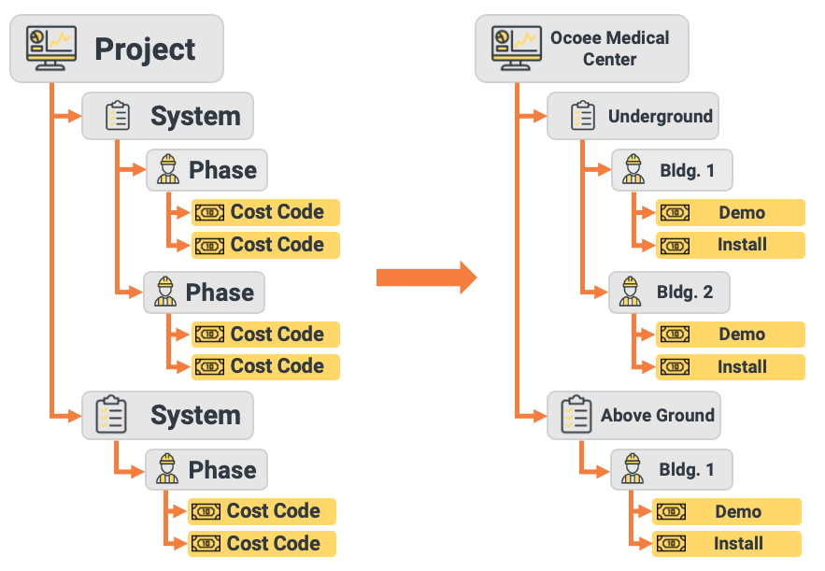
 | ► | Cost Code B
 | ► | Cost Code C
 | ► | Cost Code …
System 2
► | Phase 1
 | ► | Cost Code A
 | ► | Cost Code B
 | ► | Cost Code C
 | ► | Cost Code …
► | Phase 2
 | ► | Cost Code A
 | ► | Cost Code B
 | ► | Cost Code C
 | ► | Cost Code …

